Sheet1
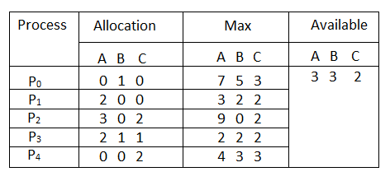
 |  |  | Work =Available
 |  |  |  |  | Need <= Availability | Execute
Bankers Algorithm |  |  |  |  | Need > Availability | Skip

 |  |  |  | Need= Max- Allocation | Check Condition
 |  |  |  |  |  | Availability= Availability + Allocation

 |  |  |  | [7 5 3]-[0 1 0]=[7 4 3] | Need>Availability,Need<Availability | [7 4 5]+[0 1 0]= [7 5 5]
 |  |  |  | [3 2 2 ]-[2 0 0] = [1 2 2] | Need<Availabilty | [3 3 2]+[2 0 0] = [5 3 2 ]
 |  |  |  | [9 0 2]-[3 0 2]=[6 0 0] | Need>Availability,Need<Availability | [7 5 5]+[3 0 2]= [10 5 7]
 |  |  |  | [2 2 2 ]-[2 1 1]=[0 1 1] | Need<Availabilty | [5 3 2]+[2 1 1]=[7 4 3]
 |  |  |  | [4 3 3]-[0 0 2]=[4 3 1] | Need<Availabilty | [7 4 3 ]+[0 0 2]=[7 4 5]

 | n=5 | m=3
Safe Sequence = {P1,P3,P4,P0,P2}

Sheet2
Resource Request Algorithms |  | Work =Available |  | Need <= Availability | Execute
 |  |  |  | Need > Availability | Skip
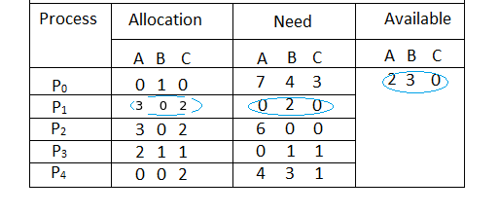
 |  |  | Check Condition | Availability= Availability + Allocation

 |  | P0 | Need>Available, Need<Available | [7 4 5]+_[0 1 0]=[7 5 5]
 |  | P1 | Need<Available | [2 3 0]+[3 0 2 ]=[5 3 2]
 |  | P2 | Need>Available, Need<Available | [7 5 5]+[3 0 2]=[10 5 7]
 |  | P3 | Need<Available | [5 3 2]+[2 1 1]= [7 4 3]
 |  | P4 | Need<Available | [7 4 3]+[0 0 2]= [7 4 5]

 | Safe sequence= {P1,P3,P4,P0,P2}

